SUMMARY
INTERNATIONAL PAPER APPM LIMITED - KADIYAM
CONDITION MONITORING REPORT
Sl. No. | EQUIPMENTS | Last reading date | CRITICAL LIMIT (mm/sec) | MAX. VIB. (Vel in mm/ Sec) | CONDITION IN SEP'18 | CONDITION IN AUG'18 | CONDITION IN JULY'18 | CONDITION IN JUNE'18 | CONDITION IN MAY '18 | CONDITION IN APR '18 | CONDITION IN MAR '18 | CONDITION IN FEB '18 | CONDITION IN JAN '18 | CONDITION IN DEC '17 | CONDITION IN NOV '17 | CONDITION IN OCT '17 | CONDITION IN SEP '17 | CONDITION IN AUG '17 | CONDITION IN JUL '17 | CONDITION IN JUN '17 | CONDITION IN MAY '17 | CONDITION IN APR '17 | REMARKS
1 | VACUUM PUMP MOTOR-1 | 10.09.18 | 11.2 | 1.6 | NORMAL | NORMAL | NORMAL | NORMAL | NORMAL | NORMAL | NORMAL | NORMAL | NORMAL | NORMAL | NORMAL | NORMAL | NORMAL | NORMAL | NORMAL | NORMAL | NORMAL | NORMAL | *Vibration levels are in satisfactory condition. *Spectrum analysis is indicating noise at motor bearings. And Belt frequencies are observed. *Further analysis we need to take the no load trail of the motor.

VACUUM PUMP MOTOR-1
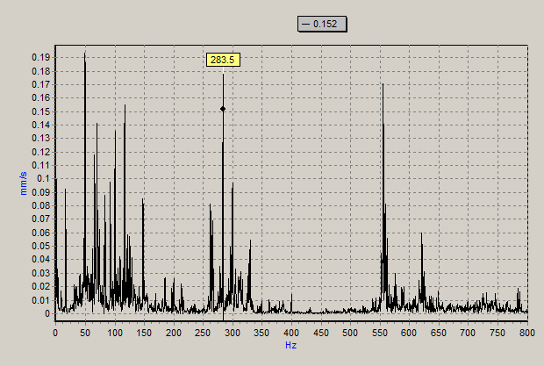
VACUUM PUMP MOTOR-1 |  |  | SUMMARY

VELOCITY (mm/sec) |  |  | RMS

Date | NORMAL BELOW | ALARM ABOVE | MOTOR NDE-H | MOTOR NDE-V | MOTOR NDE-A | MOTOR DE-H | MOTOR DE-V | MOTOR DE-A | Max Vib. | STATUS | OBSERVATIONS & ANALYSIS | RECOMMENDATIONS
27.04.17 | 7.1 | 11.2 | 0.9 | 0.5 | 1.4 | 1.2 | 1.4 | 1.1 | 1.4 | NORMAL | *Vibration levels are in satisfactory condition. | * Monitor the vibration trend levels.
24.05.17 | 7.1 | 11.2 | 1.1 | 1.0 | 0.7 | 0.7 | 0.9 | 0.5 | 0.9 | NORMAL | *Vibration levels are in satisfactory condition. | * Monitor the vibration trend levels.
24.06.17 | 7.1 | 11.2 | 0.8 | 1.4 | 0.8 | 0.6 | 2.0 | 0.7 | 2.0 | NORMAL | *Vibration levels are in satisfactory condition. | * Monitor the vibration trend levels.
10.07.17 | 7.1 | 11.2 | 0.8 | 1.4 | 0.9 | 0.6 | 2.0 | 0.7 | 2.0 | NORMAL | *Vibration levels are in satisfactory condition. | * Monitor the vibration trend levels.
07.08.17 | 7.1 | 11.2 | 1.7 | 1.5 | 0.8 | 1.5 | 1.2 | 1.4 | 1.7 | NORMAL | *Vibration levels are in satisfactory condition. | * Monitor the vibration trend levels.
16.09.17 | 7.1 | 11.2 | 0.7 | 0.7 | 0.8 | 0.8 | 1.1 | 0.6 | 1.1 | NORMAL | *Vibration levels are in satisfactory condition. | * Monitor the vibration trend levels.
11.10.17 | 7.1 | 11.2 | 1.1 | 1.2 | 0.7 | 0.9 | 0.9 | 0.7 | 0.9 | NORMAL | *Vibration levels are in satisfactory condition. | * Monitor the vibration trend levels.
27.11.17 | 7.1 | 11.2 | 0.8 | 1.1 | 0.7 | 0.9 | 0.9 | 0.6 | 1.1 | NORMAL | *Vibration levels are in satisfactory condition. | * Monitor the vibration trend levels.
12.12.17 | 7.1 | 11.2 | 1.4 | 1.6 | 1.1 | 0.9 | 1.2 | 0.8 | 1.6 | NORMAL | *Vibration levels are in satisfactory condition. | * Monitor the vibration trend levels.
25.01.18 | 7.1 | 11.2 | 0.8 | 0.9 | 0.7 | 0.9 | 0.7 | 0.6 | 0.9 | NORMAL | *Vibration levels are in satisfactory condition. | * Monitor the vibration trend levels.
19.02.18 | 7.1 | 11.2 | 1.0 | 1.0 | 1.1 | 0.8 | 0.8 | 0.8 | 1.1 | NORMAL | *Vibration levels are in satisfactory condition. | * Monitor the vibration trend levels.
15.03.18 | 7.1 | 11.2 | 1.4 | 1.8 | 1.1 | 1.1 | 1.3 | 0.8 | 1.8 | NORMAL | *Vibration levels are in satisfactory condition. | * Monitor the vibration trend levels.
29.04.18 | 7.1 | 11.2 | 1.4 | 1.8 | 1.1 | 1.1 | 1.3 | 0.8 | 1.8 | NORMAL | *Vibration levels are in satisfactory condition. | * Monitor the vibration trend levels.
10.05.18 | 7.1 | 11.2 | 0.6 | 0.9 | 0.8 | 0.7 | 0.8 | 0.8 | 0.9 | NORMAL | *Vibration levels are in satisfactory condition. | * Monitor the vibration trend levels.
11.06.18 | 7.1 | 11.2 | 1.1 | 0.8 | 0.8 | 1.1 | 0.9 | 1.0 | 1.1 | NORMAL | *Vibration levels are in satisfactory condition. | * Monitor the vibration trend levels.
20.07.18 | 7.1 | 11.2 | 1.2 | 1.1 | 1.0 | 1.0 | 1.0 | 1.2 | 1.2 | NORMAL | *Vibration levels are in satisfactory condition. | * Monitor the vibration trend levels.
27.08.18 | 7.1 | 11.2 | 1.0 | 1.1 | 1.2 | 1.1 | 0.8 | 1.0 | 1.2 | NORMAL | *Vibration levels are in satisfactory condition. | * Monitor the vibration trend levels.
10.09.18 | 7.1 | 11.2 | 1.0 | 1.6 | 1.5 | 1.1 | 0.6 | 1.1 | 1.6 | NORMAL | *Vibration levels are in satisfactory condition. *Spectrum analysis is indicating noise at motor bearings. And Belt frequencies are observed. *Further analysis we need to take the no load trail of the motor. | * Inspect belt tension and do the precision alignment. * Inspect the lubrication nipple for proper lubrication.

